Sheet1
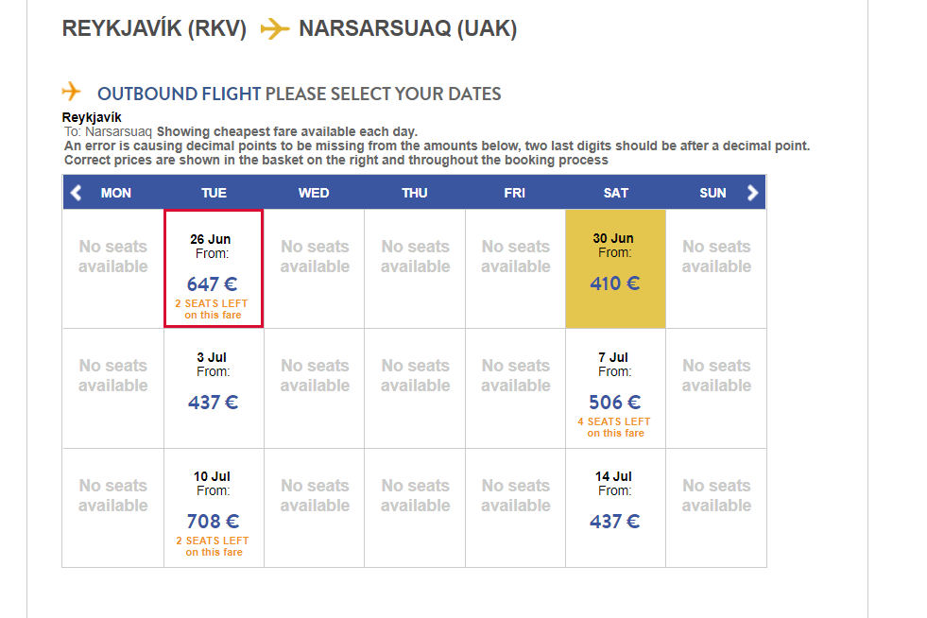
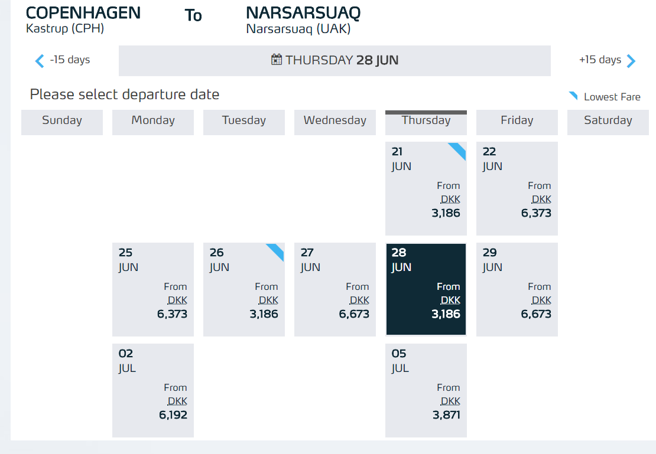
 | CPH-UAK | KEF-UAK | Total capacity
2018-06-15
2018-06-16
2018-06-17
2018-06-18
2018-06-19
2018-06-20
2018-06-21
2018-06-22
2018-06-23
2018-06-24
2018-06-25 |  |  |  | Gummi | Niels |  | Rig arrives to Nanortalik
2018-06-26 | X | 2 | 2 | CDIx2 | Justinas
2018-06-27 |  |  | - |  |  |  |  |  |  | container #
2018-06-28 | X |  | - | Site Manager/Haukur | Jeremy |  |  | Landing craft | Jeremy | 1
2018-06-29 | X |  | - |  |  |  |  |  | Ian | 1
2018-06-30 |  | 5 | 5 | Will | Ian | Rose |  |  | Will | 2
2018-07-01 |  |  | - |  |  |  |  |  | Vic | 2
2018-07-02 | X |  | - |  |  |  | Rig is moved to Nalunaq |  | EagleStark Site Manager | 3 | Chris to confirm
2018-07-03 |  | 8 | 8 | 3 drillers |  |  |  |  | Arni | 3
2018-07-04 |  |  | - |  |  |  | Moving rig to the pad |  | Niels | 4
2018-07-05 | 6 |  | 6 |  | Vic | Justinas going back | Drilling |  | Gummi | 4
2018-07-06 |  |  | - |  |  |  |  |  | Haukur/Assistant | 5
2018-07-07 |  | 4 | 4 | 3 drillers |  |  |  |  | CDI foreman | 5 | Jelle to confirm
2018-07-08 |  |  | - |  |  |  |  |  | CDI dayshift | 6 | Jelle to confirm
2018-07-09 |  |  | - |  |  |  |  |  | CDI dayshift | 6 | Jelle to confirm
2018-07-10 |  | 2 | 2 |  |  |  |  |  | Assistant dayshift | 7 | Aputsiaq
2018-07-11 |  |  |  |  |  |  |  |  | CDI nightshift | 7 | Jelle to confirm
2018-07-12 |  |  |  |  |  |  |  |  | CDI nightshift | 8 | Jelle to confirm
2018-07-13 |  |  |  |  |  |  |  |  | Assistant nightshift | 8 | Filippus
2018-07-14
2018-07-15
2018-07-16

